Test charters
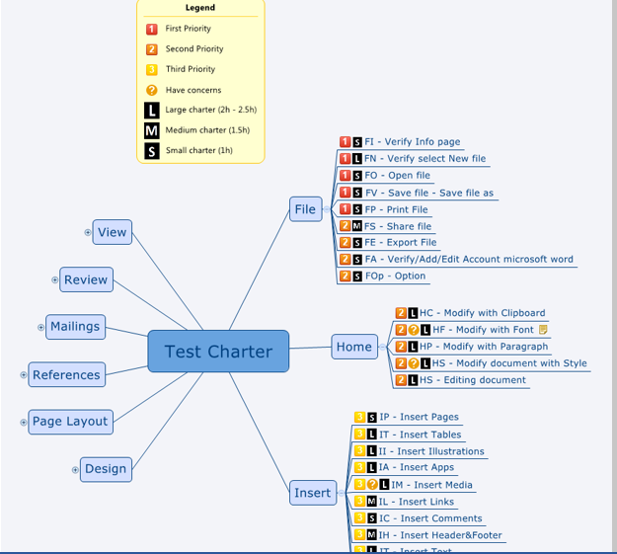
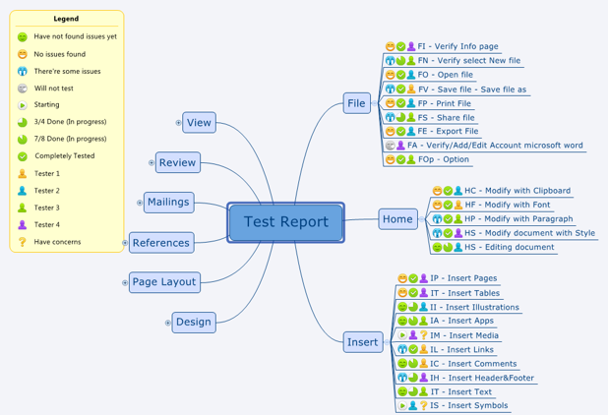
TEST CHARTER EXAMPLE | RESULTS
TEST CHARTER EXAMPLE

